Table 1

Selected Acquisition Report (SAR)
RCS: DD-A&T(Q&A)823-327
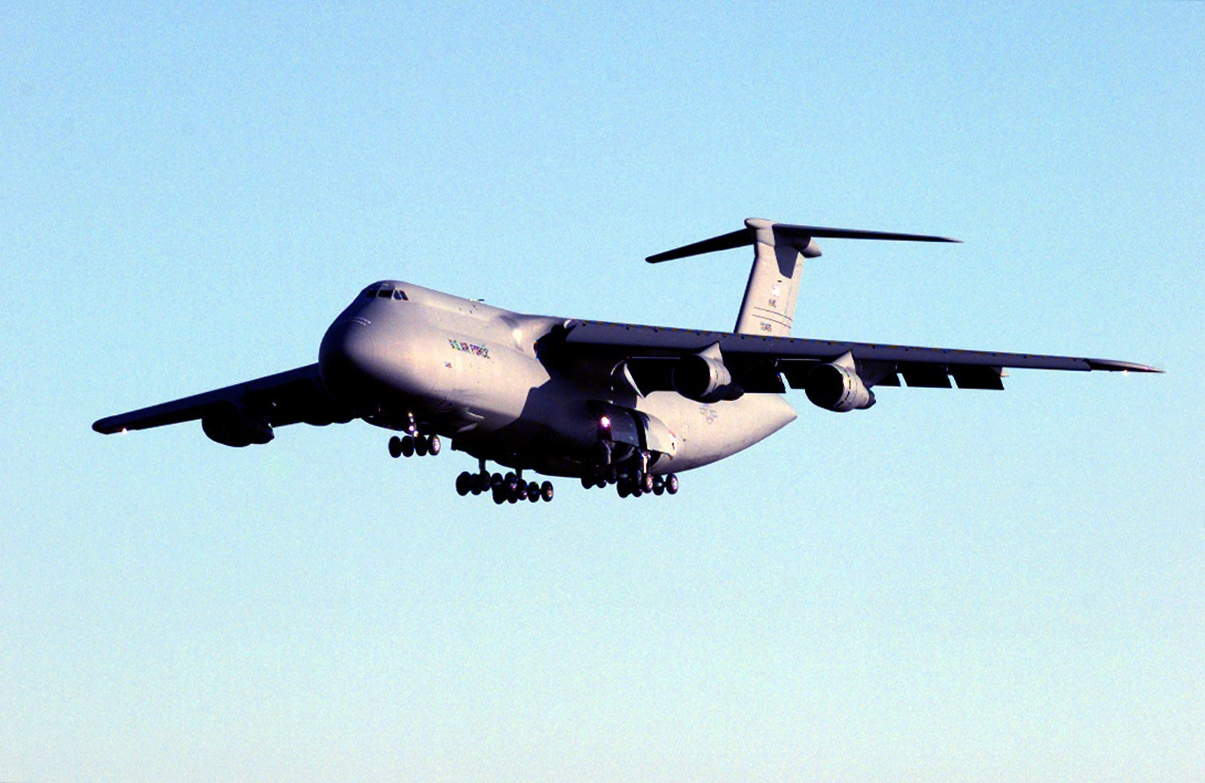
C-5 Reliability Enhancement and Re-engining Program (C-5 RERP)
As of FY 2017 President's Budget
Defense Acquisition Management Information Retrieval
(DAMIR)

Table 9
Schedule
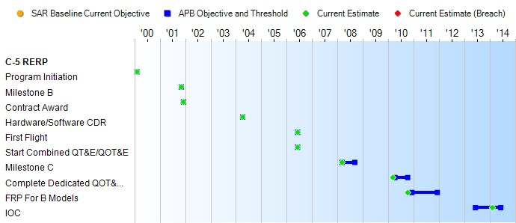
None
Schedule Events
Events | SAR Baseline Production Estimate | Current APB Production Objective/Threshold |  | Current Estimate
Program Initiation | Feb 2000 | Feb 2000 | Feb 2000 | Feb 2000
Milestone B | Nov 2001 | Nov 2001 | Nov 2001 | Nov 2001
Contract Award | Dec 2001 | Dec 2001 | Dec 2001 | Dec 2001
Hardware/Software CDR | Apr 2004 | Apr 2004 | Apr 2004 | Apr 2004
First Flight | Jun 2006 | Jun 2006 | Jun 2006 | Jun 2006
Start Combined QT&E/QOT&E | Jun 2006 | Jun 2006 | Jun 2006 | Jun 2006
Milestone C | Mar 2008 | Mar 2008 | Sep 2008 | Mar 2008
Complete Dedicated QOT&E (AFOTEC Report complete) | Apr 2010 | Apr 2010 | Oct 2010 | Mar 2010
FRP For B Models | Dec 2010 | Dec 2010 | Dec 2011 | Oct 2010
IOC | Jun 2013 | Jun 2013 | Jun 2014 | Feb 2014
Change Explanations

Table 26
Unit Cost History
Item |  |  |  |  |  |  |  | Date |  |  |  | BY 2008 $M |  |  |  |  |  |  |  |  | TY $M
 |  |  |  |  |  |  |  |  |  |  |  | PAUC |  |  |  | APUC |  |  |  |  | PAUC |  |  |  |  | APUC

Original APB |  |  |  |  | Nov 2001 |  |  |  |  |  |  | 81.955 |  |  |  |  |  | 71.010 |  |  |  |  | 88.047 |  |  |  | 78.293
APB as of January 2006 |  |  |  |  | Feb 2005 |  |  |  |  |  |  | 92.829 |  |  |  |  |  | 81.564 |  |  |  |  | 98.252 |  |  |  | 88.355
Revised Original APB |  |  |  |  | Jun 2008 |  |  |  |  |  |  | 137.435 |  |  |  |  |  | 110.529 |  |  |  |  | 147.963 |  |  |  | 123.308
Prior APB |  |  |  |  | Jun 2008 |  |  |  |  |  |  | 137.435 |  |  |  |  |  | 110.529 |  |  |  |  | 147.963 |  |  |  | 123.308
Current APB |  |  |  |  | Oct 2010 |  |  |  |  |  |  | 137.225 |  |  |  |  |  | 110.129 |  |  |  |  | 144.437 |  |  |  | 119.600
Prior Annual SAR |  |  |  |  | Dec 2014 |  |  |  |  |  |  | 128.998 |  |  |  |  |  | 102.280 |  |  |  |  | 136.358 |  |  |  | 111.920
Current Estimate |  |  |  |  | Dec 2015 |  |  |  |  |  |  | 128.808 |  |  |  |  |  | 102.073 |  |  |  |  | 135.896 |  |  |  | 111.431
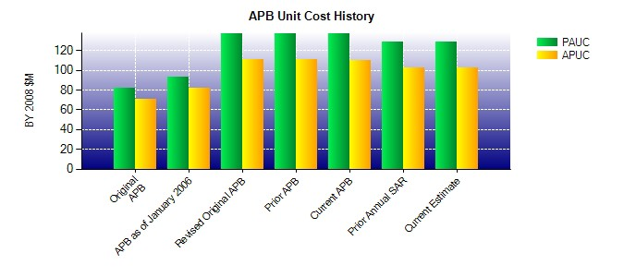
SAR Unit Cost History
Initial SAR Baseline to Current SAR Baseline (TY $M)
Initial PAUC Development Estimate | Changes |  |  |  |  |  |  |  |  |  |  |  |  |  |  |  |  |  |  |  |  |  |  |  | PAUC Production Estimate
 | Econ |  | Qty |  |  | Sch |  |  |  | Eng |  |  | Est |  | Oth |  |  |  | Spt |  |  | Total
88.047 0.635 55.435 10.863 -1.056 -6.673 0.000 0.712 59.916 147.963
Current SAR Baseline to Current Estimate (TY $M)
PAUC Production Estimate |  | Changes |  |  |  |  |  |  |  |  |  |  |  |  |  |  |  |  |  |  |  |  |  | PAUC Current Estimate
 |  | Econ |  | Qty |  |  | Sch |  | Eng |  | Est |  |  | Oth |  |  | Spt |  |  | Total
147.963 -2.469 0.000 0.000 0.000 -6.554 0.000 -3.044 -12.067 135.896

